Sheet1
(Operating Expenses)

Calculation the cost of one car wash with the automatic car wash machine

Price |  | Cost in your region |  | Consumption for 1 car
Electricity, 1kW/h |  | 0.44 AED |  | 1 | 1 kW/h | 0.44 AED
Water 1 gal. |  | 0.041 AED |  | 20 | Gal. | 0.82 AED
sewage 1 gal. |  | 0.005 AED |  | 20 | Gal. | 0.10 AED
Active foam 44 gal. |  | 300.00 AED |  | 0.066 | Gal. | 0.45 AED
Wax 44 gal. |  | 500.00 AED |  | 0.0088 | Gal. | 0.10 AED
Cost price : |  |  |  | 1.91 AED

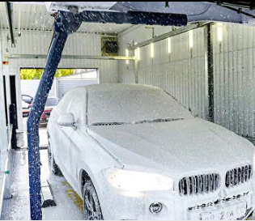
Expenditure part
Number of posts | 20
Number of washes per day | 30шт.
Cost of washes per month | 34,380 AED
Salary for staff | 31,000 AED
Equipment maintenance | 5,000 AED
Total expenses per month | 70,380 AED
Revenue part
Average check per car | 40 AED
Total profit per day | 24,000 AED
Total income per month | 720,000 AED

Total net profit per month | 649,620 AED
Net profit per year | 7,795,440 AED

CAPEX

Automatic wash machine type | Premium
Cost of equipment and nstallation | 7,340,000 AED
Construction cost | 7,500,000 AED
Rent | 50,000 AED
Total: | 14,890,000 AED

Equipment payback calculation |  |  |  | 25 | months

ROI (12 months) |  |  | -50.83

ROI (24 months) |  |  | -7.56

ROI (36 months) |  |  | 30.81

